Picture
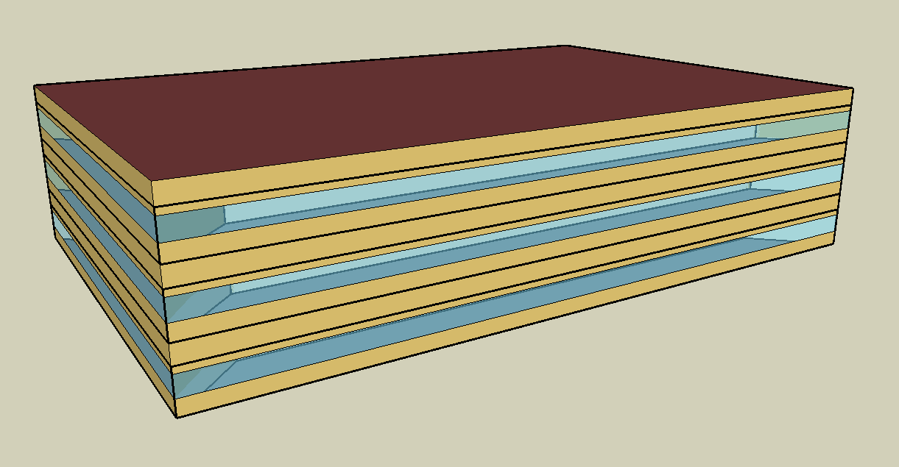
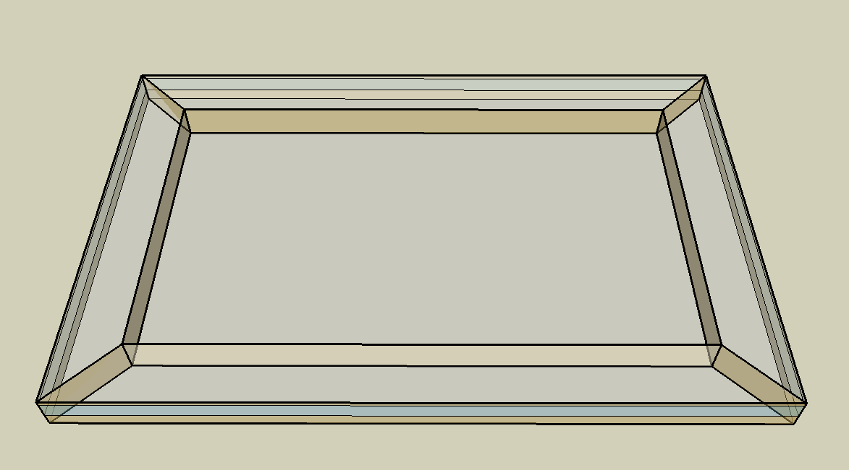
DOE Commercial Building Benchmark - Medium Office

Electricity
 | Cooling | Interior Lighting | Exterior Lighting | Interior Equipment | Fans | Pumps
Miami | 318,677.78 | 240,936.11 | 9,525.00 | 223,900.00 | 26,741.67 | 94.44
Houston | 227,002.78 | 240,936.11 | 9,519.44 | 223,900.00 | 22,080.56 | 216.67
Phoenix | 222,880.56 | 240,936.11 | 9,519.44 | 223,900.00 | 27,188.89 | 188.89
Atlanta | 149,222.22 | 240,936.11 | 9,516.67 | 223,900.00 | 20,769.44 | 330.56
Los Angeles | 117,561.11 | 240,936.11 | 9,511.11 | 223,900.00 | 21,663.89 | 175.00
Las Vegas | 151,783.33 | 240,936.11 | 9,508.33 | 223,900.00 | 27,872.22 | 255.56
San Francisco | 45,125.00 | 240,936.11 | 9,513.89 | 223,900.00 | 18,227.78 | 258.33
Baltimore | 123,686.11 | 240,936.11 | 9,508.33 | 223,900.00 | 21,472.22 | 458.33
Albuquerque | 81,605.56 | 240,936.11 | 9,511.11 | 223,900.00 | 24,391.67 | 366.67
Seattle | 38,619.44 | 240,936.11 | 9,491.67 | 223,900.00 | 21,247.22 | 422.22
Chicago | 81,480.56 | 240,936.11 | 9,508.33 | 223,900.00 | 22,844.44 | 627.78
Boulder | 54,358.33 | 240,936.11 | 9,502.78 | 223,900.00 | 22,486.11 | 513.89
Minneapolis | 70,641.67 | 240,936.11 | 9,502.78 | 223,900.00 | 23,277.78 | 819.44
Helena | 37,608.33 | 240,936.11 | 9,500.00 | 223,900.00 | 22,361.11 | 716.67
Duluth | 35,813.89 | 240,936.11 | 9,494.44 | 223,900.00 | 24,588.89 | 986.11
Fairbanks | 23,219.44 | 240,936.11 | 9,436.11 | 223,900.00 | 28,255.56 | 1,702.78

Gas
 | Heating | Water Systems
Miami | 93,390.00 | 28,430.00
Houston | 474,830.00 | 32,470.00
Phoenix | 453,340.00 | 30,130.00
Atlanta | 806,410.00 | 36,360.00
Los Angeles | 428,270.00 | 35,610.00
Las Vegas | 634,860.00 | 32,930.00
San Francisco | 692,920.00 | 38,950.00
Baltimore | 1,237,100.00 | 39,420.00
Albuquerque | 838,530.00 | 38,840.00
Seattle | 1,280,810.00 | 41,030.00
Chicago | 1,711,480.00 | 42,110.00
Boulder | 1,180,410.00 | 41,980.00
Minneapolis | 2,165,780.00 | 44,440.00
Helena | 1,728,790.00 | 44,860.00
Duluth | 2,615,970.00 | 48,270.00
Fairbanks | 4,470,720.00 | 52,910.00

EUI
 | Cooling (elec) | Interior Lighting (elec) | Exterior Lighting (elec) | Interior Equipment (elec) | Fans (elec) | Pumps (elec) | Heating (gas) | Water Systems (gas)
Miami | 230.27 | 174.09 | 6.88 | 161.78 | 19.32 | 0.07 | 18.74 | 5.71
Houston | 164.03 | 174.09 | 6.88 | 161.78 | 15.95 | 0.16 | 95.31 | 6.52
Phoenix | 161.05 | 174.09 | 6.88 | 161.78 | 19.65 | 0.14 | 90.99 | 6.05
Atlanta | 107.82 | 174.09 | 6.88 | 161.78 | 15.01 | 0.24 | 161.86 | 7.30
Los Angeles | 84.95 | 174.09 | 6.87 | 161.78 | 15.65 | 0.13 | 85.96 | 7.15
Las Vegas | 109.67 | 174.09 | 6.87 | 161.78 | 20.14 | 0.18 | 127.43 | 6.61
San Francisco | 32.61 | 174.09 | 6.87 | 161.78 | 13.17 | 0.19 | 139.08 | 7.82
Baltimore | 89.37 | 174.09 | 6.87 | 161.78 | 15.52 | 0.33 | 248.30 | 7.91
Albuquerque | 58.97 | 174.09 | 6.87 | 161.78 | 17.62 | 0.26 | 168.31 | 7.80
Seattle | 27.91 | 174.09 | 6.86 | 161.78 | 15.35 | 0.31 | 257.08 | 8.24
Chicago | 58.88 | 174.09 | 6.87 | 161.78 | 16.51 | 0.45 | 343.52 | 8.45
Boulder | 39.28 | 174.09 | 6.87 | 161.78 | 16.25 | 0.37 | 236.93 | 8.43
Minneapolis | 51.04 | 174.09 | 6.87 | 161.78 | 16.82 | 0.59 | 434.70 | 8.92
Helena | 27.17 | 174.09 | 6.86 | 161.78 | 16.16 | 0.52 | 346.99 | 9.00
Duluth | 25.88 | 174.09 | 6.86 | 161.78 | 17.77 | 0.71 | 525.06 | 9.69
Fairbanks | 16.78 | 174.09 | 6.82 | 161.78 | 20.42 | 1.23 | 897.34 | 10.62

Water
 | Total Building | Water for Electricity (m3)
Miami | 174.59 | 434.33
Houston | 174.59 | 1,177.47
Phoenix | 174.59 | 21,524.10
Atlanta | 174.59 | 4,025.09
Los Angeles | 174.59 | 10,775.90
Las Vegas | 174.59 | 17,948.80
San Francisco | 174.59 | 9,445.36
Baltimore | 174.59 | 140.75
Albuquerque | 174.59 | 2,636.89
Seattle | 174.59 | 5,462.08
Chicago | 174.59 | 898.75
Boulder | 174.59 | 2,505.14
Minneapolis | 174.59 | 882.89
Helena | 174.59 | 33,890.40
Duluth | 174.59 | 831.14
Fairbanks | 174.59 | 538.88

Carbon
 | Carbon Equivalent (kg)
Miami | 227,046.35
Houston | 250,530.47
Phoenix | 227,460.74
Atlanta | 213,780.85
Los Angeles | 80,090.53
Las Vegas | 232,705.24
San Francisco | 76,066.74
Baltimore | 190,318.21
Albuquerque | 253,040.46
Seattle | 62,774.64
Chicago | 340,474.67
Boulder | 247,409.63
Minneapolis | 234,646.66
Helena | 227,500.27
Duluth | 231,416.46
Fairbanks | 229,990.70

LghtSch
Lighting Schedules
 | WD | Sat | Sun, Hol, Other
 | 0.05 | 0.05 | 0.05
 | 0.05 | 0.05 | 0.05
 | 0.05 | 0.05 | 0.05
 | 0.05 | 0.05 | 0.05
 | 0.05 | 0.05 | 0.05
 | 0.1 | 0.05 | 0.05
 | 0.1 | 0.1 | 0.05
 | 0.3 | 0.1 | 0.05
 | 0.9 | 0.3 | 0.05
 | 0.9 | 0.3 | 0.05
 | 0.9 | 0.3 | 0.05
 | 0.9 | 0.3 | 0.05
 | 0.9 | 0.15 | 0.05
 | 0.9 | 0.15 | 0.05
 | 0.9 | 0.15 | 0.05
 | 0.9 | 0.15 | 0.05
 | 0.9 | 0.15 | 0.05
 | 0.5 | 0.05 | 0.05
 | 0.3 | 0.05 | 0.05
 | 0.3 | 0.05 | 0.05
 | 0.2 | 0.05 | 0.05
 | 0.2 | 0.05 | 0.05
 | 0.1 | 0.05 | 0.05
 | 0.05 | 0.05 | 0.05

EqpSch
Equipment Schedules
 | WD | Sat | Sun, Hol, Other
 | 0 | 0 | 0
 | 0 | 0 | 0
 | 0 | 0 | 0
 | 0 | 0 | 0
 | 0 | 0 | 0
 | 0 | 0 | 0
 | 0.1 | 0.1 | 0
 | 0.2 | 0.1 | 0
 | 0.95 | 0.3 | 0
 | 0.95 | 0.3 | 0
 | 0.95 | 0.3 | 0
 | 0.95 | 0.3 | 0
 | 0.5 | 0.1 | 0
 | 0.95 | 0.1 | 0
 | 0.95 | 0.1 | 0
 | 0.95 | 0.1 | 0
 | 0.95 | 0.1 | 0
 | 0.3 | 0 | 0
 | 0.1 | 0 | 0
 | 0.1 | 0 | 0
 | 0.05 | 0 | 0
 | 0.05 | 0 | 0
 | 0.05 | 0 | 0
 | 0.05 | 0 | 0

OccSch
Occupancy Schedules
 | WD | Sat | Sun, Hol, Other
 | 0 | 0 | 0
 | 0 | 0 | 0
 | 0 | 0 | 0
 | 0 | 0 | 0
 | 0 | 0 | 0
 | 0 | 0 | 0
 | 0.1 | 0.1 | 0
 | 0.2 | 0.1 | 0
 | 0.95 | 0.3 | 0
 | 0.95 | 0.3 | 0
 | 0.95 | 0.3 | 0
 | 0.95 | 0.3 | 0
 | 0.5 | 0.1 | 0
 | 0.95 | 0.1 | 0
 | 0.95 | 0.1 | 0
 | 0.95 | 0.1 | 0
 | 0.95 | 0.1 | 0
 | 0.3 | 0 | 0
 | 0.1 | 0 | 0
 | 0.1 | 0 | 0
 | 0.05 | 0 | 0
 | 0.05 | 0 | 0
 | 0.05 | 0 | 0
 | 0.05 | 0 | 0

HeatSch
Heating Set Point Schedules
 | SummerDesign | Sat | Sun, Hol, Other
 | 15.6 | 15.6 | 15.6
 | 15.6 | 15.6 | 15.6
 | 15.6 | 15.6 | 15.6
 | 15.6 | 15.6 | 15.6
 | 15.6 | 15.6 | 15.6
 | 15.6 | 15.6 | 15.6
 | 15.6 | 21 | 15.6
 | 15.6 | 21 | 15.6
 | 15.6 | 21 | 15.6
 | 15.6 | 21 | 15.6
 | 15.6 | 21 | 15.6
 | 15.6 | 21 | 15.6
 | 15.6 | 21 | 15.6
 | 15.6 | 21 | 15.6
 | 15.6 | 21 | 15.6
 | 15.6 | 21 | 15.6
 | 15.6 | 21 | 15.6
 | 15.6 | 15.6 | 15.6
 | 15.6 | 15.6 | 15.6
 | 15.6 | 15.6 | 15.6
 | 15.6 | 15.6 | 15.6
 | 15.6 | 15.6 | 15.6
 | 15.6 | 15.6 | 15.6
 | 15.6 | 15.6 | 15.6

CoolSch
Cooling Set Point Schedules
 | WD, SummerDesign | Sat | Sun, Hol, Other
 | 30 | 30 | 30
 | 30 | 30 | 30
 | 30 | 30 | 30
 | 30 | 30 | 30
 | 30 | 30 | 30
 | 30 | 30 | 30
 | 24 | 24 | 30
 | 24 | 24 | 30
 | 24 | 24 | 30
 | 24 | 24 | 30
 | 24 | 24 | 30
 | 24 | 24 | 30
 | 24 | 24 | 30
 | 24 | 24 | 30
 | 24 | 24 | 30
 | 24 | 24 | 30
 | 24 | 24 | 30
 | 24 | 24 | 30
 | 24 | 30 | 30
 | 24 | 30 | 30
 | 24 | 30 | 30
 | 24 | 30 | 30
 | 30 | 30 | 30
 | 30 | 30 | 30

